Cover Sheet
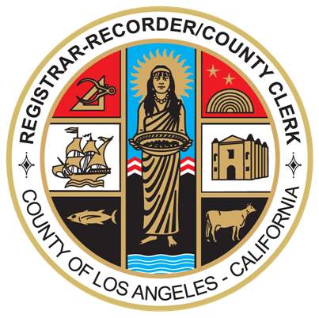

DEPARTMENT OF
REGISTRAR-RECORDER/COUNTY CLERK

REQUEST FOR PROPOSALS –
PHASE 2 PROPOSAL EVALUATION AND
CONTRACTOR SELECTION
COST PROPOSAL RESPONSE TEMPLATE

FOR

VOTING SOLUTIONS FOR ALL PEOPLE
(VSAP) IMPLEMENTATION AND SUPPORT
SERVICES
RFP Phase 2 of 2: #17-008

January 2, 2018 Cost Proposal Response Template Reissued on [DATE]
---------------------------------------------------------------------------------
Prepared By
County of Los Angeles
Registrar-Recorder/County Clerk - Contracts Section Room 5115
12400 Imperial Highway Norwalk, CA 90650
www.lavote.net

